schema
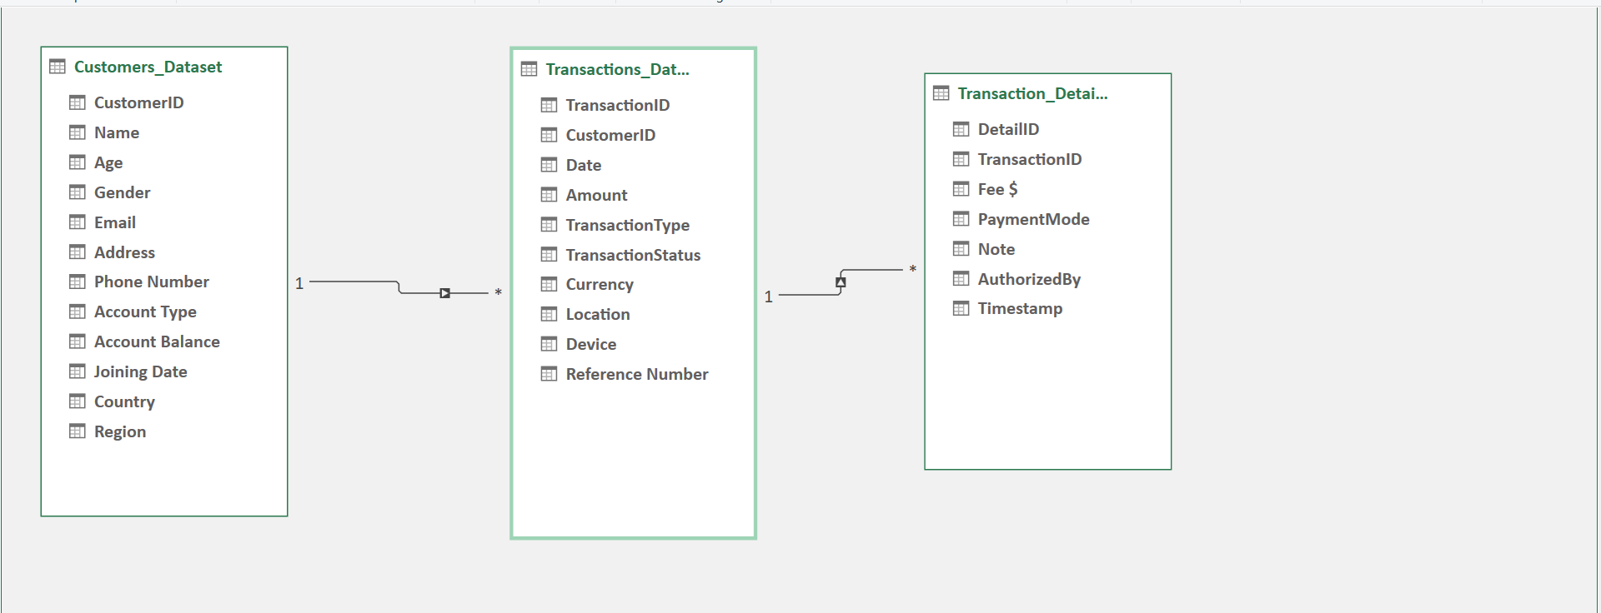
SCHEMA

pvt 1
Age | (Multiple Items)

Transaction across demographics
Count of TransactionID | Column Labels
Row Labels | Female | Male | Other | Grand Total
East | 168 | 116 | 170 | 454
North | 127 | 150 | 150 | 427
South | 159 | 162 | 175 | 496
West | 172 | 172 | 165 | 509
Grand Total | 626 | 600 | 660 | 1886

pvt2
Account type v/s Transaction type
Sum of TransactionID | Column Labels
Row Labels | Deposit | Payment | Transfer | Withdrawal | Grand Total
Business | 93995 | 94414 | 98818 | 95825 | 383052
Investment | 109717 | 106441 | 107874 | 106719 | 430751
Joint | 81403 | 77780 | 118472 | 78048 | 355703
Retirement | 104041 | 129009 | 100975 | 116524 | 450549
Savings | 102049 | 80690 | 86932 | 111274 | 380945
Grand Total | 491205 | 488334 | 513071 | 508390 | 2001000

pvt 3
Branch vs volume and value of transactions
Row Labels | Sum of Amount | Count of TransactionID
East | 2381706.12 | 474
North | 2244811.71 | 445
South | 2572679.97 | 531
West | 2713749.9 | 550
Grand Total | 9912947.7 | 2000

pvt 4
 |  |  |  |  |  |  | Row Labels | Count of PaymentMode
Count of PaymentMode | Column Labels |  |  |  |  |  | 18 | 33
Row Labels | Cash | Cheque | Credit Card | Debit Card | Online Banking | Grand Total | 19 | 27
East | 98 | 82 | 98 | 101 | 101 | 480 | 20 | 47
North | 103 | 85 | 96 | 80 | 75 | 439 | 21 | 22
South | 114 | 112 | 101 | 105 | 88 | 520 | 22 | 22
West | 83 | 112 | 116 | 120 | 130 | 561 | 23 | 36
Grand Total | 398 | 391 | 411 | 406 | 394 | 2000 | 24 | 34
 |  |  |  |  |  |  | 25 | 50
Preffered payment modes
 |  |  |  |  |  |  | 26 | 21
 |  |  |  |  |  |  | 27 | 36
 |  |  |  |  |  |  | 28 | 31
 |  |  |  |  |  |  | 29 | 40
 |  |  |  |  |  |  | 30 | 40
 |  |  |  |  |  |  | 31 | 41
 |  |  |  |  |  |  | 32 | 30
 |  |  |  |  |  |  | 33 | 25
 |  |  |  |  |  |  | 34 | 37
 |  |  |  |  |  |  | 35 | 44
 |  |  |  |  |  |  | 36 | 20
 |  |  |  |  |  |  | 37 | 24
 |  |  |  |  |  |  | 38 | 42
 |  |  |  |  |  |  | 39 | 33
 |  |  |  |  |  |  | 40 | 12
Preffered payment modes age wise
 |  |  |  |  |  |  | 41 | 21
 |  |  |  |  |  |  | 42 | 32
 |  |  |  |  |  |  | 43 | 29
 |  |  |  |  |  |  | 44 | 23
 |  |  |  |  |  |  | 45 | 35
 |  |  |  |  |  |  | 46 | 29
 |  |  |  |  |  |  | 47 | 47
 |  |  |  |  |  |  | 48 | 36
 |  |  |  |  |  |  | 49 | 41
 |  |  |  |  |  |  | 50 | 36
 |  |  |  |  |  |  | 51 | 24
 |  |  |  |  |  |  | 52 | 40
 |  |  |  |  |  |  | 53 | 21
 |  |  |  |  |  |  | 54 | 42
 |  |  |  |  |  |  | 55 | 45
 |  |  |  |  |  |  | 56 | 40
 |  |  |  |  |  |  | 57 | 38
 |  |  |  |  |  |  | 58 | 40
 |  |  |  |  |  |  | 59 | 25
 |  |  |  |  |  |  | 60 | 29
 |  |  |  |  |  |  | 61 | 23
 |  |  |  |  |  |  | 62 | 51
 |  |  |  |  |  |  | 63 | 16
 |  |  |  |  |  |  | 64 | 20
 |  |  |  |  |  |  | 65 | 36
 |  |  |  |  |  |  | 66 | 21
 |  |  |  |  |  |  | 67 | 29
 |  |  |  |  |  |  | 68 | 22
 |  |  |  |  |  |  | 69 | 35
 |  |  |  |  |  |  | 70 | 25
 |  |  |  |  |  |  | 71 | 28
 |  |  |  |  |  |  | 72 | 34
 |  |  |  |  |  |  | 73 | 26
 |  |  |  |  |  |  | 74 | 41
 |  |  |  |  |  |  | 75 | 34
 |  |  |  |  |  |  | 76 | 38
 |  |  |  |  |  |  | 77 | 28
 |  |  |  |  |  |  | 78 | 30
 |  |  |  |  |  |  | 79 | 23
 |  |  |  |  |  |  | 80 | 20
 |  |  |  |  |  |  | Grand Total | 2000

pvt 5
Row Labels | Average of Fee $ | Sum of Fee $ | Maximum fee collection happens through Deposit Transactions
Deposit | 24.691406551 | 12814.84
Payment | 25.164107884 | 12129.1
Transfer | 24.31742126 | 12353.25
Withdrawal | 25.319470468 | 12431.86
Grand Total | 24.864525 | 49729.05
Transaction type vs Avg fee

pvt 7
Top 10 customers
 | Business | Joint | Retirement | Savings
Male | 41448.7
Other |  | 36104.86
Female |  | 21508.8
Female |  | 14472.29
Male |  | 33349.59
Other |  |  |  | 32151.28
Male |  |  |  | 31932.53
Female |  | 30571.43
Female |  |  |  | 29578.86
Female |  |  | 27848.81
Male |  | 27836.85
Sum of Amount | Column Labels
Row Labels | Business | Joint | Retirement | Savings | Grand Total
Brittany Larson
75
Male | 41448.7 |  |  |  | 41448.7
Ryan Reeves
74
Other |  | 36104.86 |  |  | 36104.86
Destiny Smith
30
Female |  | 21508.8 |  |  | 21508.8
64
Female |  | 14472.29 |  |  | 14472.29
Michele Martinez
32
Male |  | 33349.59 |  |  | 33349.59
Tara Bond
29
Other |  |  |  | 32151.28 | 32151.28
Calvin Moyer
39
Male |  |  |  | 31932.53 | 31932.53
James Moody
67
Female |  | 30571.43 |  |  | 30571.43
Alexander Davis
62
Female |  |  |  | 29578.86 | 29578.86
Don Robinson
68
Female |  |  | 27848.81 |  | 27848.81
Crystal Phillips
67
Male |  | 27836.85 |  |  | 27836.85
Grand Total | 41448.7 | 163843.82 | 27848.81 | 93662.67 | 326804

pvt 8
Row Labels | Count of TransactionID
Cancelled | 648 |  | % of trasactions cancelled or pending |  | 67%
Completed | 656
Pending | 696
Grand Total | 2000
Quarterwise distribution of transaction
 | Cancelled | Completed | Pending
Qtr1 | 54 | 45 | 53
Qtr2 | 114 | 86 | 87
Qtr3 | 80 | 84 | 93
Qtr4 | 73 | 84 | 89
Qtr1 | 84 | 81 | 89
Qtr2 | 82 | 83 | 89
Qtr3 | 67 | 80 | 84
Qtr4 | 69 | 93 | 82
Qtr1 | 25 | 20 | 30

Count of TransactionID | Column Labels
Row Labels | Cancelled | Completed | Pending | Grand Total
2022
Qtr1 | 54 | 45 | 53 | 152
Qtr2 | 114 | 86 | 87 | 287
Qtr3 | 80 | 84 | 93 | 257
Qtr4 | 73 | 84 | 89 | 246
2023
Qtr1 | 84 | 81 | 89 | 254
Qtr2 | 82 | 83 | 89 | 254
Qtr3 | 67 | 80 | 84 | 231
Qtr4 | 69 | 93 | 82 | 244
2024
Qtr1 | 25 | 20 | 30 | 75
Trends for transaction type
Grand Total | 648 | 656 | 696 | 2000
Count of TransactionID | Column Labels
Row Labels | Cancelled | Completed | Pending | Grand Total
Deposit | 166 | 155 | 177 | 498
Payment | 147 | 168 | 156 | 471
Transfer | 189 | 153 | 167 | 509
Withdrawal | 146 | 180 | 196 | 522
Grand Total | 648 | 656 | 696 | 2000

Dashboard
Bank Transaction Dashboard

Branch vs volume and value of transactions
 | Sum of Amount | Count of TransactionID
East | 2381706.12 | 474
North | 2244811.71 | 445
South | 2572679.97 | 531
West | 2713749.9 | 550
Transaction across demographics
 | Female | Male | Other
East | 168 | 116 | 170
North | 127 | 150 | 150
South | 159 | 162 | 175
West | 172 | 172 | 165
Account type v/s Transaction type
 | Deposit | Payment | Transfer | Withdrawal
Business | 93995 | 94414 | 98818 | 95825
Investment | 109717 | 106441 | 107874 | 106719
Joint | 81403 | 77780 | 118472 | 78048
Retirement | 104041 | 129009 | 100975 | 116524
Savings | 102049 | 80690 | 86932 | 111274

Preffered payment modes
 | Cash | Cheque | Credit Card | Debit Card | Online Banking
East | 98 | 82 | 98 | 101 | 101
North | 103 | 85 | 96 | 80 | 75
South | 114 | 112 | 101 | 105 | 88
West | 83 | 112 | 116 | 120 | 130
Top 10 customers
 | Business | Joint | Retirement | Savings
Male | 41448.7
Other |  | 36104.86
Female |  | 21508.8
Female |  | 14472.29
Male |  | 33349.59
Other |  |  |  | 32151.28
Male |  |  |  | 31932.53
Female |  | 30571.43
Female |  |  |  | 29578.86
Female |  |  | 27848.81
Male |  | 27836.85

Transaction type vs Avg fee
 | Average of Fee $ | Sum of Fee $
Deposit | 24.691406551 | 12814.84
Payment | 25.164107884 | 12129.1
Transfer | 24.31742126 | 12353.25
Withdrawal | 25.319470468 | 12431.86
Quarterwise distribution of transaction
 | Cancelled | Completed | Pending
Qtr1 | 54 | 45 | 53
Qtr2 | 114 | 86 | 87
Qtr3 | 80 | 84 | 93
Qtr4 | 73 | 84 | 89
Qtr1 | 84 | 81 | 89
Qtr2 | 82 | 83 | 89
Qtr3 | 67 | 80 | 84
Qtr4 | 69 | 93 | 82
Qtr1 | 25 | 20 | 30
Trends for transaction type
 | Cancelled | Completed | Pending
Deposit | 166 | 155 | 177
Payment | 147 | 168 | 156
Transfer | 189 | 153 | 167
Withdrawal | 146 | 180 | 196

